ADM-0001 v56.0.0
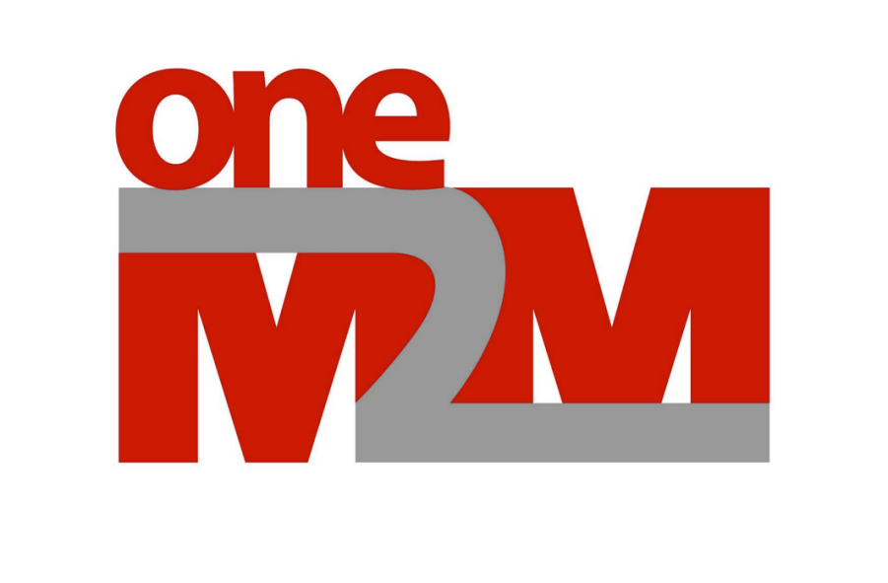

Administrative Document

ADM-0001-V-56.0.0
oneM2M Work Programme

26.09.2022

Copyright Notification
No part may be reproduced except as authorized by written permission.
The copyright and the foregoing restriction extend to reproduction in all media.
This document is intended for distribution only to oneM2M Participants.

© oneM2M Partners Type 1 (ARIB, ATIS, CCSA, ETSI, TIA, TSDSI, TTA, TTC)

Conventions

Scaling of level of completeness
• Value range from 0% - 100%, no special scaling requested. Highest level achievable in a WG is 95%
• Measurement will be against milestone “Approval” listed in the agreed respective Work Item (meaning that 100% completeness must be achieved for reaching this milestone)
• Expected levels of completeness at milestones:
Start - 0%
First draft / skeleton - 10%
Freeze - 90%
WG decision: “ready for approval” - 95%
Approval (by TP) - 100%

Please see also the WPM portal for the latest work program status.
http://member.onem2m.org/Application/documentapp/downloadLatestRevision/?docId=3491

Release Timeline
TP#50
TP#51
TP#52
TP#53
TP#54
TP#55
TP#56
TP#57
TP#58
TP#59
TP#60

Q2 2021
Q3 2021
Q4 2021
Q1 2022
Q2 2022
Q3 2022
Q4 2022
Q1 2023
Q2 2023
Q3 2023
Q4 2023
Q1 2024
Q2
2024
Q3 2024

Ratification R4

Release 4

Stage 1 Freeze
Stage 2 Freeze
Release 5
Stage 3 Freeze
R5 Appr./Rati.

R4 Ratification : TP56 Q3 - 2022
R5 Stage 1 Freeze Date : TP#56 or TP57 – Q4 2022
R5 Stage 2 Freeze Date : TP#59 – Q2 2023
R5 Stage 3 Freeze Date : TP#xx – Q4 2023
Tentatively date for R5 ratification at TPxx + 2, Q2 2024
achieved
planned
ratification
ratification

