ADM-0001 v50.0.0
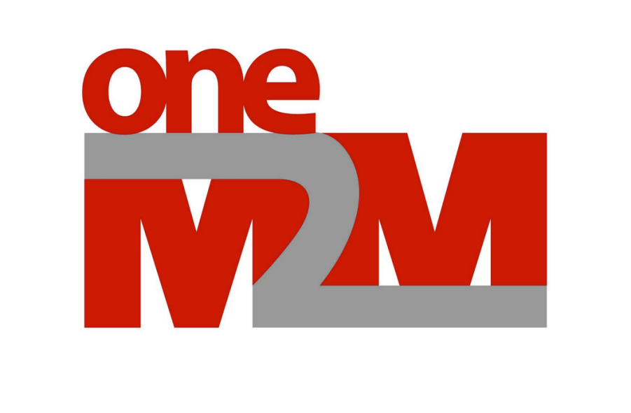

Administrative Document

ADM-0001-V-50.0.0
oneM2M Work Programme

10.05.2021

Copyright Notification
No part may be reproduced except as authorized by written permission.
The copyright and the foregoing restriction extend to reproduction in all media.
This document is intended for distribution only to oneM2M Participants.

© oneM2M Partners Type 1 (ARIB, ATIS, CCSA, ETSI, TIA, TSDSI, TTA, TTC)

Conventions

Scaling of level of completeness
• Value range from 0% - 100%, no special scaling requested. Highest level achievable in a WG is 95%
• Measurement will be against milestone “Approval” listed in the agreed respective Work Item (meaning that 100% completeness must be achieved for reaching this milestone)
• Expected levels of completeness at milestones:
Start - 0%
First draft / skeleton - 10%
Freeze - 90%
WG decision: “ready for approval” - 95%
Approval (by TP) - 100%

Please see also the WPM portal for the latest work program status.
http://member.onem2m.org/Application/documentapp/downloadLatestRevision/?docId=3491

Release Timeline
